DASHBOARD
SALES ANALYTICS DASHBOARD

Total Orders
Total Revenue
Average Order Value
Top Revenue Product
Total Order
Total Revenue
Average Order Value
Average Order Value
1200
1200
€1,264,761.96
€1,264,761.96
€1,053.97
Chair
€1,264,761.96
€1,053.97

Monthly Order Trend
 | Total
January | 19
February | 15
March | 18
April | 20
May | 16
June | 23
July | 14
August | 10
September | 5
October | 14
November | 11
December | 16
Order Count by Status
 | Total
Shipped | 42
Returned | 38
Pending | 37
Cancelled | 35
Delivered | 29

VARIABLE

Payment Method Usage
 | Total
Gift Card | € 32,679.23
Debit Card | € 33,165.09
Online | € 39,538.50
Credit Card | € 43,289.52
Cash | € 46,940.27
Revenue By Product
 | Total
Printer | € 195,612.61
Revenue by Coupon Code
 | Total
Freeship | € 55,758.43
No Coupon | € 41,520.30
Save10 | € 54,540.12
Winter15 | € 43,793.76

MARCH

Sheet3
2021

EDA Analysis
Average of Order Value
€ 1,080.73

Total Order
181

Products | Total Revenue
Printer | € 195,612.61
Grand Total | € 195,612.61

Products | Number of Purchases
Printer | 181
Grand Total | 181

Products | Average of Order Value
Printer | € 1,080.73
Grand Total | € 1,080.73

Payment Method | Number of Orders
Cash | 41
Online | 39
Credit Card | 39
Debit Card | 33
Gift Card | 29
Grand Total | 181

Payment Method | Total Revenue
Gift Card | € 32,679.23
Debit Card | € 33,165.09
Online | € 39,538.50
Credit Card | € 43,289.52
Cash | € 46,940.27
Grand Total | € 195,612.61

Monthly Order Trend
Order Status | Total Quantity Purchase
Shipped | 42
Returned | 38
Pending | 37
Cancelled | 35
Delivered | 29
Grand Total | 181

Row Labels | Sum of Quantity
C81319 | 5
C98483 | 5
Grand Total | 10

Months Order | Total Order
January | 19
February | 15
March | 18
April | 20
May | 16
June | 23
July | 14
August | 10
September | 5
October | 14
November | 11
December | 16
Grand Total | 181

Coupon Code | Number of Order
Freeship | 50
No Coupon | 42
Save10 | 50
Winter15 | 39
Grand Total | 181

Coupon Order | Revenue
Freeship | € 55,758.43
No Coupon | € 41,520.30
Save10 | € 54,540.12
Winter15 | € 43,793.76
Grand Total | € 195,612.61

Charts

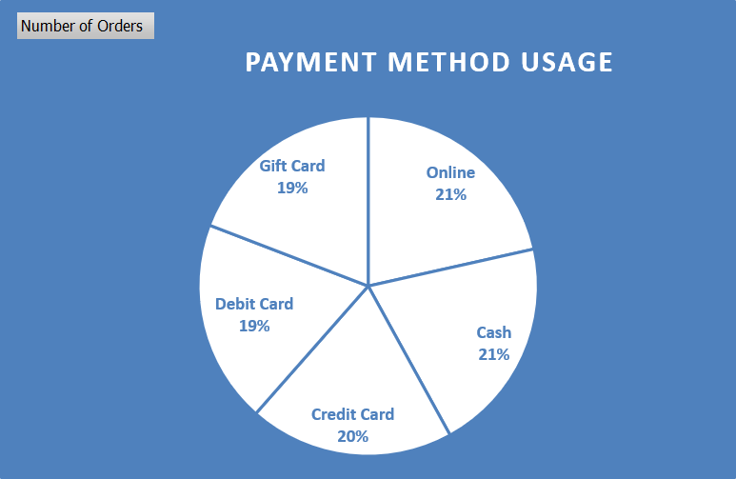

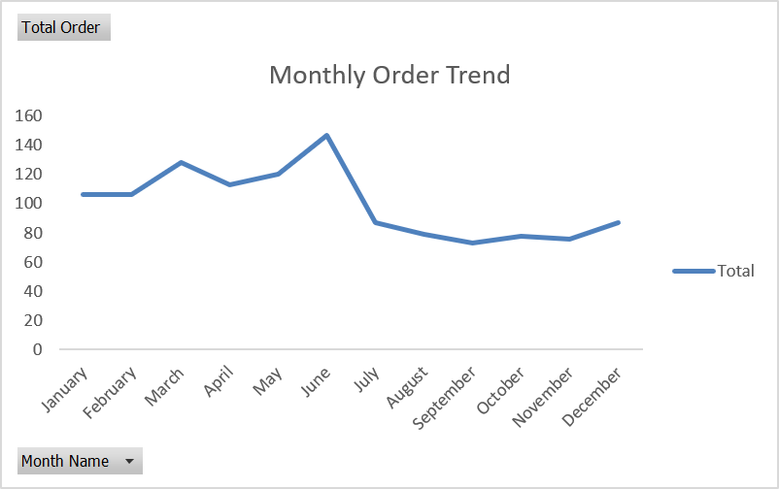
Revenue by Coupon Code
 | Total
Freeship | € 55,758.43
No Coupon | € 41,520.30
Save10 | € 54,540.12
Winter15 | € 43,793.76

